Core Committee 1
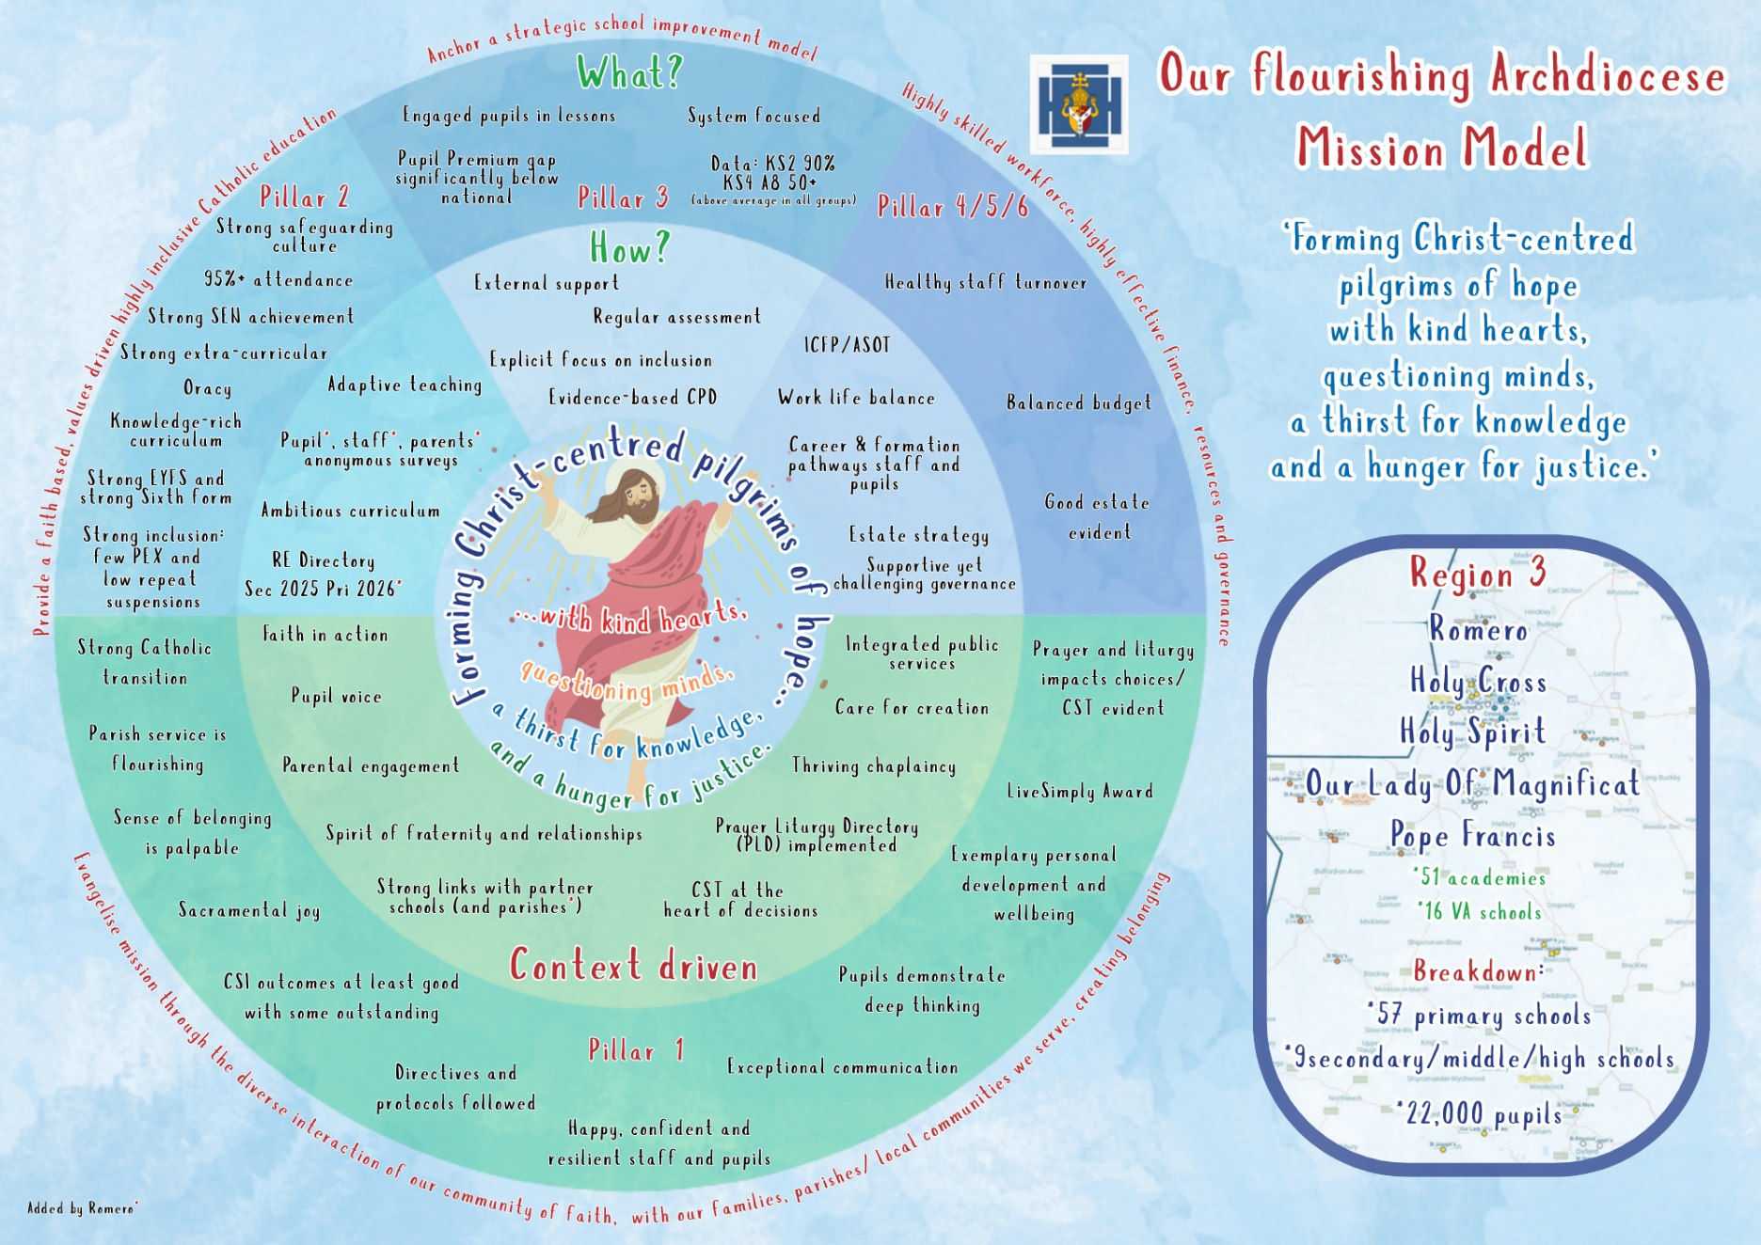
 | FLASH REPORT
 | Core Committee 1 CC1: Finance, Audit, Resources and Premises Committee https://romeromac.com/the-board/cc1/
 |  |  | Wednesday 26th November 2025 | Wednesday 25th February 2026 | Wednesday 17th June 2026 | Final RAG rating for last Board meeting | End of year comment
 | KPI | Risks
1 | The number of pupils that transition from a Romero primary to Secondary shows an increase year on year (32% March 2025); % of pupils transferring to city Catholic education is at least 3 ppt higher than previous year (50% March 2025) with three schools closing the gap with Diocesan expectations of 70% transitioning to Catholic education in the city and beyond (March 2025 Good Shepherd and Saint Patrick 70% and 86% respectively went on to Catholic secondary education)
 | Comments

2 | (Core) Teaching & Learning staff costs as a % of income not to exceed the previous 12 month rolling average. (CC1 Flash report)
 | Comments

3 | Adhoc agency cover as a % of total staff cost not to exceed 1.5% (c£300k) (CC1 Flash report)
 | Comments

4 | Sustainability – reduce colour printed sheets versus 24/25; reduce gas & electric consumption (Kwh/day) versus 24/25 (CC1 Flash report)
 | Comments

5 | Lettings (CC MUGA, CW Hall & Pool, FSO houses) to at least meet budget level of £137k.
 | Comments

